cover page
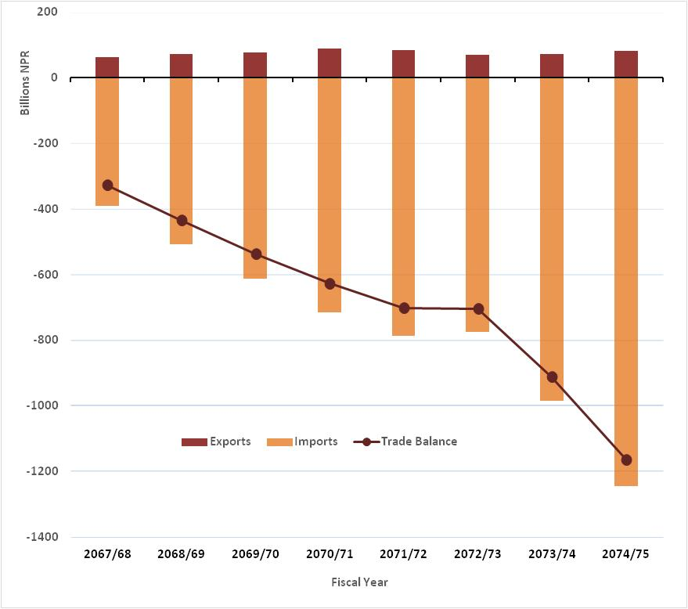
Year | Exports | Imports | Trade Balance
2067/68 | 62739219000.00 | -390252162000.00 | -327512943000.00
2068/69 | 72098700000.00 | -506652115295.92 | -434553415295.92
2069/70 | 77402265000.00 | -613635949000.00 | -536233684000.00
2070/71 | 89622727000.00 | -716129853000.00 | -626507126000.00
2071/72 | 85194754000.00 | -786191403000.00 | -700996649000.00
2072/73 | 70254165000.00 | -774712277000.00 | -704458112000.00
2073/74 | 73036244000.00 | -984302948000.00 | -911266704000.00
2074/75 | 81359795970.00 | -1245103223000.00 | -1163743427030.00

